Site Plan
Client : | Bristol City Council | Site plan for : | Site 7 - Nelson Street (west of All Saints St)
Project : | WAL-2270 Church Road, Bristol | Date : | Tuesday 29th September 2015
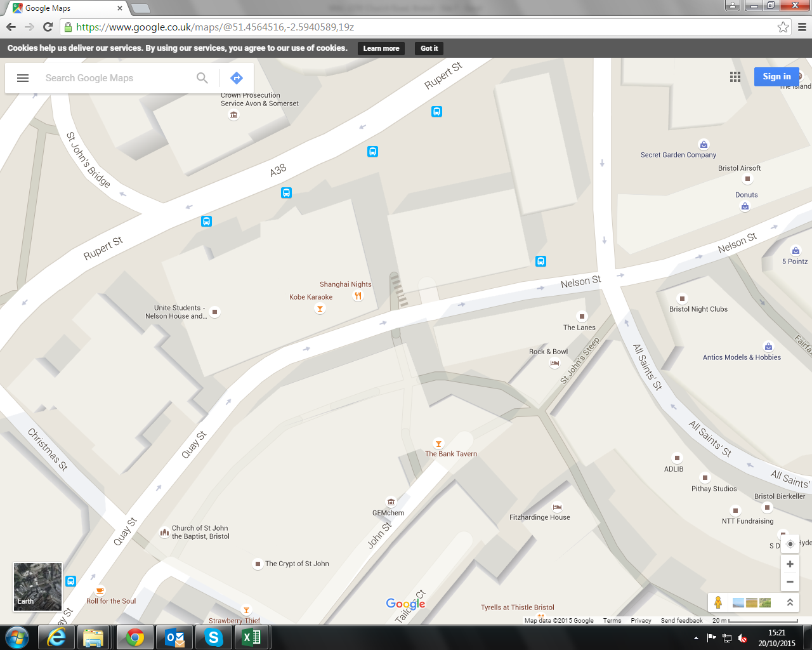

Eastbound

Westbound

